Approval
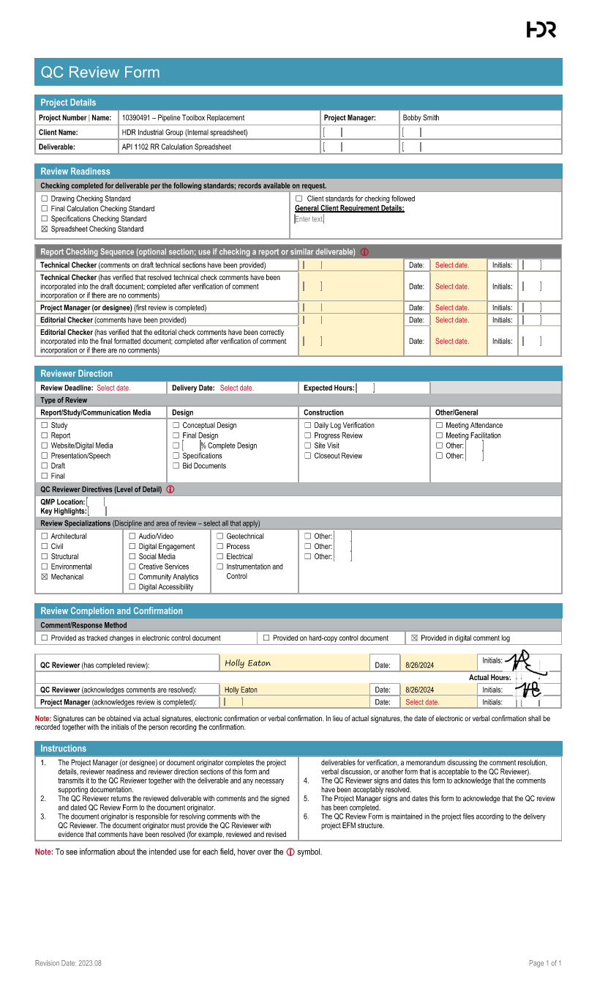

Hand Calcs
Inputs
Pipe Diameter | 12 | in
D - Pipe Outside Diameter | 12.75 | in
tw - Wall Thickness | 0.25 | in
SMYS | 42000 | psi
Design Class Location | 1
F - Design Factor | 0.72
Pipe Class | Electric Resistance Welded
E - Longitudinal Joint Factor | 1
Pipe Material | Steel
Es - Young's Modulus | 30,000,000.00 | psi
v - Poisson's Ratio | 0.3
α - Coefficient of thermal expansion | 0.0000065 | 1/°F
T - Temperature Derating Factor | 1 |  |  |  | Typically equal to 1 near ambient temperature
T2 - Operating Temperature | 70 | °F
P - Operating Pressure | 800 | psi
Soil Type | Soft to medium clays and silts with high plasticities
E' - Modulus of Soil Reaction | 200 | psi
Er - Resilient Modulus | 5000 | psi
γ - Average Unit Weight of Soil | 120 | lb/ft3 |  |  | Typically equal to 120 PCF
H - Pipe Depth | 6 | ft
Bd - Bored Diameter | 14.8 | inch |  |  | Typically equal to D+2
T1 - Installation Temperature | 70 | °F
Number of Tracks | 2
w - Applied Design Surface Pressure | 13.9 | psi |  |  | Typically equal to 13.9

Result | Spreadsheet Calculation |  | Hand Calc Formulas | Hand Calc Results | Source
Shi(Barlow) - Hoop Stress | 20400 | psi | 20400 = 800*12.75/(2*0.25) | 20400
Allowable Hoop Stress | 30240 | psi | 30240 = 0.72*1*1*42000 | 30240
 |  |  |  |  |  | Burial Factor - Earth Load
Khe - Stiffness Factor for Earth Load Circumferential Stress | 3141.1764706 |  |  |  | Refer To "Stiffness Factor - Earth Load" Chart | Data
Be - Burial Factor for Earth Load Circumferential Stress | 1.0658474576 |  |  |  | Refer To "Burial Factor - Earth Load" Chart | H/Bd
Ee - Excavation Factor for Earth Load Circumferential Stress | 1.1041078431 |  |  |  | Refer To "Excavation Factor - Earth Load" Chart
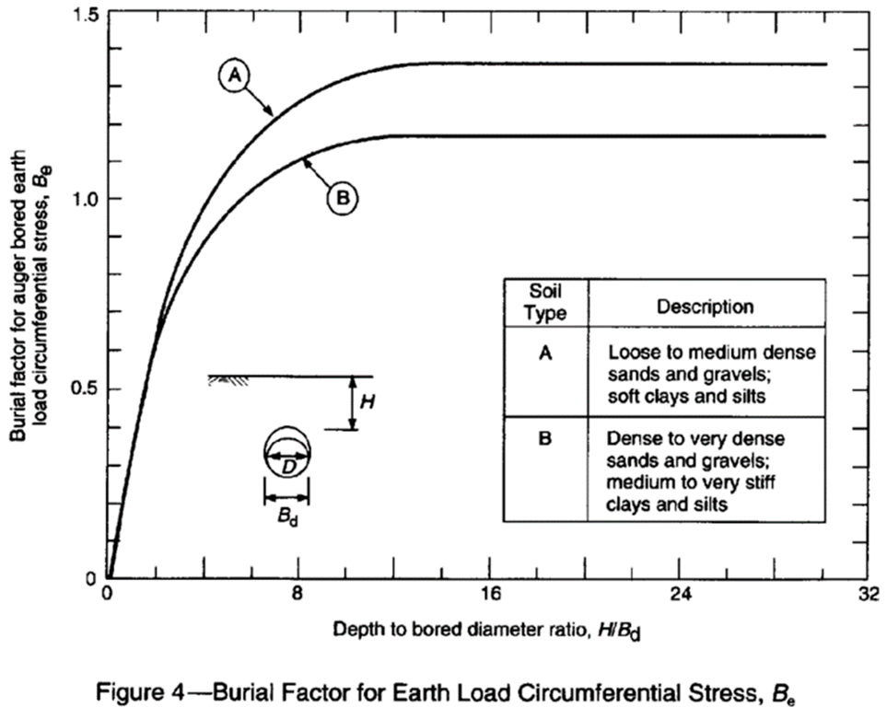
SHe - Circumferential Stress from Earth Load | 3273.0043076 | psi | 3273 = 3141.18*1.07*1.1*(120/12^3)*12.75 | 3273.0043076 |  | 0

Fi - Impact Factor | 1.7263922518 |  |  |  | Refer To "Impact Factor" Chart

Nh - Railroad Double Track Factor for Circumferential Stress | 1.1398775 |  |  |  | Refer To "Railroad Track Factor - Circum." Chart
KHr - Railroad Stiffness Factor for Cyclic Circumferential Stress | 441.03808504 |  |  |  | Refer To "Stiffness Factor - Circum." Chart
GHr - Railroad Geometry Factor for Cyclic Circumferential Stress | 0.98525 |  |  |  | Refer To "Geometry Factor - Circum." Chart
SHr - Railroad Cyclic Circumferential Stress | 11885.98005 | psi | 11885.98 = 441.04*0.99*1.14*1.73*13.9 | 11885.98005
NL - Railroad Double Track Factor Longitudinal Stress | 1.0207290837 |  |  |  | Refer To "Railroad Track Factor - Long." Chart
KLr - Railroad Stiffness Factor Cyclic Longitudinal Stress | 464.98039216 |  |  |  | Refer To "Stiffness Factor - Long." Chart
GLr - Railroad Geometry Factor Cyclic Longitudinal Stress | 1.11 |  |  |  | Refer To "Geometry Factor - Long." Chart
SLr - Railroad Cyclic Longitudinal Stress | 12642.192122 | psi | 12642.19 = 464.98*1.11*1.02*1.73*13.9 | 12642.192122

Shi - Circumferential Stress Due to Internal Pressurization | 20000 | psi | 20000 = 800*(12.75-0.25)/(2*0.25) | 20000
S1 - Maximum Circumferential Stress | 35158.984358 | psi | 35158.98 = 3273+11885.98+20000 | 35158.984358
S2 - Maximum Longitudinal Stress | 19624.093415 | psi | 19624.09 = 12642.19-30000000*0.0000065*(70-70)+0.3*(3273+20000) | 19,624.09
S3 - Maximum Radial Stress Result | -800 | psi | -800 = -800 | -800
Seff - Total Effective Stress | 31237.197253 | psi | 31237.2 = SQRT(0.5*((35158.98-19624.09)^2+(19624.09--800)^2+(-800-35158.98)^2)) | 31237.197253

Allowable Effective Stress | 30240 | psi | 30240 = 42000*0.72 | 30240

Fatigue Resistance of Girth Welds | 12000 |  |  |  | Refer To "Fatigue Endurance Limits Chart" for SFG
Fatigue Resistance of Longitudinal Welds | 21000 |  |  |  | Refer To "Fatigue Endurance Limits Chart" for SFL
Allowable Stress of Girth Welds | 8640 | psi | 8640 = 12000*0.72 | 8640
Allowable Stress of Longitudinal Welds | 15120 | psi | 15120 = 21000*0.72 | 15120

Stress | Calculated (psi) | Allowable (psi) | Pass/Fail
Barlow Stress | 20400 | 30240 | Pass
Effective Stress | 31237.197253 | 30240 | Fail
Girth Welds | 12385.45303 | 8640 | Fail
Long. Welds | 10427.41878 | 15120 | Pass

 | Hand Calcs Formulas For Stresses
Barlow Stress | 20400 = 800*12.75/(2*0.25) | 30240 = 0.72*1*1*42000
Effective Stress | 31237.2 = SQRT(0.5*((35158.98-19624.09)^2+(19624.09--800)^2+(-800-35158.98)^2)) | 30240 = 42000*0.72
Girth Welds | 12642.19 = 464.98*1.11*1.02*1.73*13.9 | 8640 = 12000*0.72
Long. Welds | 11885.98 = 441.04*0.99*1.14*1.73*13.9 | 15120 = 21000*0.72

 | Hand Calc Results
Barlow Stress | 20400 | 30240
Effective Stress | 31237.19725 | 30240
Girth Welds | 12642.192122 | 8640
Long. Welds | 11885.98005 | 15120

Sources
API Recommended Practice 1102, Seventh Edition, December 2007, Reaffirmed June 2024
49 CFR 192.111
49 CFR 192.113
PE Mechanical Reference Handbook

Tables
Charts
Stiffness Factor - Earth Load
Burial Factor - Earth Load
Excavation Factor - Earth Load
Impact Factor
Railroad Track Factor - Circum.
Stiffness Factor - Circum.
Geometry Factor - Circum.
Railroad Track Factor - Long.
Stiffness Factor - Long.
Geometry Factor - Long.
Fatigue Endurance Limits

Stiffness Factor for Earth Load Circumferential Stress (Khe)
Stiffness Factor for Earth Load Circumferential Stress
E = .2 ksi |  | E = .5 ksi |  | E = 1 ksi |  | E = 2 ksi
X (tw/D) | Y (Khe) | X (tw/D) | Y (Khe) | X (tw/D) | Y (Khe) | X (tw/D) | Y (Khe)
0 | 11632 | 0 | 7625 | 0 | 5772 | 0 | 4443
0.00726 | 11632 | 0.00726 | 7625 | 0.00738 | 5772 | 0.00726 | 4443
0.00811 | 11632 | 0.00792 | 7625 | 0.00775 | 5449 | 0.00775 | 4000
0.00825 | 11338 | 0.00825 | 7286 | 0.00825 | 5175 | 0.00825 | 3804
0.01 | 8552 | 0.01 | 6280 | 0.01 | 4499 | 0.01 | 3208
0.0125 | 6564 | 0.0125 | 5374 | 0.0125 | 3882 | 0.0125 | 2777
0.015 | 4873 | 0.015 | 4305 | 0.015 | 3261 | 0.015 | 2404
0.0175 | 3900 | 0.0175 | 3476 | 0.0175 | 2791 | 0.0175 | 2145
0.02 | 3000 | 0.02 | 2663 | 0.02 | 2292 | 0.02 | 1852
0.025 | 1781 | 0.025 | 1642 | 0.025 | 1545 | 0.025 | 1387
0.03 | 1153 | 0.03 | 1077 | 0.03 | 1066 | 0.03 | 1000
0.035 | 819 | 0.035 | 819 | 0.035 | 819 | 0.035 | 819
0.04 | 642 | 0.04 | 642 | 0.04 | 642 | 0.04 | 642
0.045 | 525 | 0.045 | 525 | 0.045 | 525 | 0.045 | 525
0.05 | 460 | 0.05 | 460 | 0.05 | 460 | 0.05 | 460
0.055 | 393 | 0.055 | 393 | 0.055 | 393 | 0.055 | 393
0.06 | 335 | 0.06 | 335 | 0.06 | 335 | 0.06 | 335
0.065 | 273 | 0.065 | 273 | 0.065 | 273 | 0.065 | 273
0.07 | 207 | 0.07 | 207 | 0.07 | 207 | 0.07 | 207
0.075 | 143 | 0.075 | 143 | 0.075 | 143 | 0.075 | 143
0.08 | 88 | 0.08 | 88 | 0.08 | 88 | 0.08 | 88
5 | 88 | 5 | 88 | 5 | 88 | 5 | 88

Burial Factor Earth Load
Type A |  | Type B
X (H/Bd) | Y (Be) | X (H/Bd) | Y (Be)
0 | 0 | 0 | 0
1 | 0.321 | 1 | 0.321
Burial Factor for Earth Load (Be)
2 | 0.644 | 2 | 0.631
3 | 0.844 | 3 | 0.776
4 | 0.983 | 4 | 0.893
5 | 1.077 | 5 | 0.964
6 | 1.162 | 6 | 1.032
7 | 1.215 | 7 | 1.071
8 | 1.26 | 8 | 1.108
9 | 1.295 | 9 | 1.133
10 | 1.325 | 10 | 1.152
11 | 1.342 | 11 | 1.164
12 | 1.356 | 12 | 1.172
13 | 1.363 | 13 | 1.173
14 | 1.364 | 14 | 1.173
15 | 1.364 | 15 | 1.173
16 | 1.364 | 16 | 1.173
17 | 1.364 | 17 | 1.173
18 | 1.364 | 18 | 1.173
19 | 1.364 | 19 | 1.173
20 | 1.364 | 20 | 1.173
21 | 1.364 | 21 | 1.173
22 | 1.364 | 22 | 1.173
23 | 1.364 | 23 | 1.173
24 | 1.364 | 24 | 1.173
25 | 1.364 | 25 | 1.173
26 | 1.364 | 26 | 1.173
27 | 1.364 | 27 | 1.173
28 | 1.364 | 28 | 1.173
29 | 1.364 | 29 | 1.173
30 | 1.364 | 30 | 1.173
31 | 1.364 | 31 | 1.173
32 | 1.364 | 32 | 1.173
60 | 1.364 | 60 | 1.173

Excavation Factor (Ee)
Impact Factor (Fi) - Railroad
5.22 | 1.75
30 | 1
100 | 1
Excavation Factor
X (Bd/D) | Y (Ee)
1 | 0.8307
1.05 | 0.909
1.1 | 0.9966
1.15 | 1.0903
1.2 | 1.1909
1.25 | 1.2941
1.3 | 1.4
5 | 9.2366

Impact Factor
Y (H) | X (Fi)
0 | 1.75
5.22 | 1.75
30 | 1
100 | 1

Railroad Stiffness Factor for Cyclic Circumferential Stress (KHr)
Railroad Stiffness Factor for Cyclic Circumferential Stress
Er = 5 ksi |  | Er = 10 ksi |  | Er = 20 ksi
X (tw/D) | Y (KHr) | X (tw/D) | Y (KHr) | X (tw/D) | Y (KHr)
0 | 454 | 0 | 315 | 0 | 196
0.01058 | 454 | 0.01058 | 315 | 0.01058 | 196
0.01296 | 474 | 0.01296 | 336 | 0.01296 | 226
0.01444 | 474 | 0.01444 | 339 | 0.01444 | 233
0.01867 | 451 | 0.01867 | 332 | 0.01867 | 240
0.02526 | 381 | 0.02526 | 295 | 0.02526 | 226
0.03515 | 240 | 0.03515 | 211 | 0.03515 | 179
0.04258 | 183 | 0.04258 | 165 | 0.04258 | 148
0.05015 | 143 | 0.05015 | 131 | 0.05015 | 119
0.06518 | 87 | 0.06518 | 79 | 0.06518 | 72
0.08 | 48 | 0.08 | 42 | 0.08 | 37
5 | 48 | 5 | 42 | 5 | 37

Railroad Geometry Factor for Cyclic Circumferential Stress (GHr)

Railroad Geometry Factor for Cyclic Circumferential Stress
H = 6' |  | H = 10' |  | H = 14'
X (D) | Y (GHr) | X (D) | Y (GHr) | X (D) | Y (GHr)
0 | 1.006 | 0 | 0.681 | 0 | 0.486
2 | 1.006 | 2 | 0.681 | 2 | 0.486
4 | 1.061 | 4 | 0.72 | 4 | 0.513
6 | 1.085 | 6 | 0.73 | 6 | 0.513
8 | 1.08 | 8 | 0.724 | 8 | 0.507
10 | 1.048 | 10 | 0.706 | 10 | 0.495
12 | 1 | 12 | 0.681 | 12 | 0.483
18 | 0.882 | 18 | 0.625 | 18 | 0.451
24 | 0.781 | 24 | 0.573 | 24 | 0.421
34 | 0.653 | 34 | 0.501 | 34 | 0.374
42 | 0.579 | 42 | 0.453 | 42 | 0.34
100 | 0.579 | 100 | 0.453 | 100 | 0.34

Railroad Double Track Factor for Circumferential Stress (NH)
Railroad Double Track Factor for Cyclic Circumferential Stress
H = 6' |  | H = 10' |  | H = 14'
X (D) | Y (NH) | X (D) | Y (NH) | X (D) | Y (NH)
0 | 1.0628 | 0 | 1.2107 | 0 | 1.3595
2 | 1.0628 | 2 | 1.2107 | 2 | 1.3595
42 | 1.3496 | 42 | 1.4106 | 42 | 1.562
100 | 1.76546 | 100 | 1.700455 | 100 | 1.855625

Grade and Pipe Type | Grade | Pipe Type | SFG | SFL
24000 Seamless | 24000 | Seamless | 12000 | 21000
30000 Seamless | 30000 | Seamless | 12000 | 21000
35000 Seamless | 35000 | Seamless | 12000 | 21000
42000 Seamless | 42000 | Seamless | 12000 | 21000
46000 Seamless | 46000 | Seamless | 12000 | 21000
52000 Seamless | 52000 | Seamless | 12000 | 21000
56000 Seamless | 56000 | Seamless | 12000 | 23000
60000 Seamless | 60000 | Seamless | 12000 | 23000
65000 Seamless | 65000 | Seamless | 12000 | 23000
70000 Seamless | 70000 | Seamless | 12000 | 25000
80000 Seamless | 80000 | Seamless | 12000 | 27000
24000 Electric Resistance Welded | 24000 | Electric Resistance Welded | 12000 | 21000
30000 Electric Resistance Welded | 30000 | Electric Resistance Welded | 12000 | 21000
35000 Electric Resistance Welded | 35000 | Electric Resistance Welded | 12000 | 21000
42000 Electric Resistance Welded | 42000 | Electric Resistance Welded | 12000 | 21000
46000 Electric Resistance Welded | 46000 | Electric Resistance Welded | 12000 | 21000
52000 Electric Resistance Welded | 52000 | Electric Resistance Welded | 12000 | 21000
56000 Electric Resistance Welded | 56000 | Electric Resistance Welded | 12000 | 23000
60000 Electric Resistance Welded | 60000 | Electric Resistance Welded | 12000 | 23000
65000 Electric Resistance Welded | 65000 | Electric Resistance Welded | 12000 | 23000
70000 Electric Resistance Welded | 70000 | Electric Resistance Welded | 12000 | 25000
80000 Electric Resistance Welded | 80000 | Electric Resistance Welded | 12000 | 27000
24000 Furnace Butt Welded | 24000 | Furnace Butt Welded | 12000 | 21000
30000 Furnace Butt Welded | 30000 | Furnace Butt Welded | 12000 | 21000
35000 Furnace Butt Welded | 35000 | Furnace Butt Welded | 12000 | 21000
42000 Furnace Butt Welded | 42000 | Furnace Butt Welded | 12000 | 21000
46000 Furnace Butt Welded | 46000 | Furnace Butt Welded | 12000 | 21000
52000 Furnace Butt Welded | 52000 | Furnace Butt Welded | 12000 | 21000
56000 Furnace Butt Welded | 56000 | Furnace Butt Welded | 12000 | 23000
60000 Furnace Butt Welded | 60000 | Furnace Butt Welded | 12000 | 23000
65000 Furnace Butt Welded | 65000 | Furnace Butt Welded | 12000 | 23000
70000 Furnace Butt Welded | 70000 | Furnace Butt Welded | 12000 | 25000
80000 Furnace Butt Welded | 80000 | Furnace Butt Welded | 12000 | 27000
24000 Double Submerged Arc Welded | 24000 | Double Submerged Arc Welded | 12000 | 12000
30000 Double Submerged Arc Welded | 30000 | Double Submerged Arc Welded | 12000 | 12000
35000 Double Submerged Arc Welded | 35000 | Double Submerged Arc Welded | 12000 | 12000
42000 Double Submerged Arc Welded | 42000 | Double Submerged Arc Welded | 12000 | 12000
46000 Double Submerged Arc Welded | 46000 | Double Submerged Arc Welded | 12000 | 12000
52000 Double Submerged Arc Welded | 52000 | Double Submerged Arc Welded | 12000 | 12000
56000 Double Submerged Arc Welded | 56000 | Double Submerged Arc Welded | 12000 | 12000
60000 Double Submerged Arc Welded | 60000 | Double Submerged Arc Welded | 12000 | 12000
65000 Double Submerged Arc Welded | 65000 | Double Submerged Arc Welded | 12000 | 12000
70000 Double Submerged Arc Welded | 70000 | Double Submerged Arc Welded | 12000 | 13000
80000 Double Submerged Arc Welded | 80000 | Double Submerged Arc Welded | 12000 | 14000
24000 Electric-Fusion Welded | 24000 | Electric-Fusion Welded | 12000 | 21000
30000 Electric-Fusion Welded | 30000 | Electric-Fusion Welded | 12000 | 21000
35000 Electric-Fusion Welded | 35000 | Electric-Fusion Welded | 12000 | 21000
42000 Electric-Fusion Welded | 42000 | Electric-Fusion Welded | 12000 | 21000
46000 Electric-Fusion Welded | 46000 | Electric-Fusion Welded | 12000 | 21000
52000 Electric-Fusion Welded | 52000 | Electric-Fusion Welded | 12000 | 21000
56000 Electric-Fusion Welded | 56000 | Electric-Fusion Welded | 12000 | 23000
60000 Electric-Fusion Welded | 60000 | Electric-Fusion Welded | 12000 | 23000
65000 Electric-Fusion Welded | 65000 | Electric-Fusion Welded | 12000 | 23000
70000 Electric-Fusion Welded | 70000 | Electric-Fusion Welded | 12000 | 25000
80000 Electric-Fusion Welded | 80000 | Electric-Fusion Welded | 12000 | 27000
24000 Submerged Arc Welded | 24000 | Submerged Arc Welded | 12000 | 12000
30000 Submerged Arc Welded | 30000 | Submerged Arc Welded | 12000 | 12000
35000 Submerged Arc Welded | 35000 | Submerged Arc Welded | 12000 | 12000
42000 Submerged Arc Welded | 42000 | Submerged Arc Welded | 12000 | 12000
46000 Submerged Arc Welded | 46000 | Submerged Arc Welded | 12000 | 12000
52000 Submerged Arc Welded | 52000 | Submerged Arc Welded | 12000 | 12000
56000 Submerged Arc Welded | 56000 | Submerged Arc Welded | 12000 | 12000
60000 Submerged Arc Welded | 60000 | Submerged Arc Welded | 12000 | 12000
65000 Submerged Arc Welded | 65000 | Submerged Arc Welded | 12000 | 12000
70000 Submerged Arc Welded | 70000 | Submerged Arc Welded | 12000 | 13000
80000 Submerged Arc Welded | 80000 | Submerged Arc Welded | 12000 | 14000
24000 Unknown Pipe Over 4 Inches | 24000 | Unknown Pipe Over 4 Inches | 12000 | 12000
30000 Unknown Pipe Over 4 Inches | 30000 | Unknown Pipe Over 4 Inches | 12000 | 12000
35000 Unknown Pipe Over 4 Inches | 35000 | Unknown Pipe Over 4 Inches | 12000 | 12000
42000 Unknown Pipe Over 4 Inches | 42000 | Unknown Pipe Over 4 Inches | 12000 | 12000
46000 Unknown Pipe Over 4 Inches | 46000 | Unknown Pipe Over 4 Inches | 12000 | 12000
52000 Unknown Pipe Over 4 Inches | 52000 | Unknown Pipe Over 4 Inches | 12000 | 12000
56000 Unknown Pipe Over 4 Inches | 56000 | Unknown Pipe Over 4 Inches | 12000 | 12000
60000 Unknown Pipe Over 4 Inches | 60000 | Unknown Pipe Over 4 Inches | 12000 | 12000
65000 Unknown Pipe Over 4 Inches | 65000 | Unknown Pipe Over 4 Inches | 12000 | 12000
70000 Unknown Pipe Over 4 Inches | 70000 | Unknown Pipe Over 4 Inches | 12000 | 13000
80000 Unknown Pipe Over 4 Inches | 80000 | Unknown Pipe Over 4 Inches | 12000 | 14000
24000 Unknown Pipe 4 Inches or Less | 24000 | Unknown Pipe 4 Inches or Less | 12000 | 12000
30000 Unknown Pipe 4 Inches or Less | 30000 | Unknown Pipe 4 Inches or Less | 12000 | 12000
35000 Unknown Pipe 4 Inches or Less | 35000 | Unknown Pipe 4 Inches or Less | 12000 | 12000
42000 Unknown Pipe 4 Inches or Less | 42000 | Unknown Pipe 4 Inches or Less | 12000 | 12000
46000 Unknown Pipe 4 Inches or Less | 46000 | Unknown Pipe 4 Inches or Less | 12000 | 12000
52000 Unknown Pipe 4 Inches or Less | 52000 | Unknown Pipe 4 Inches or Less | 12000 | 12000
56000 Unknown Pipe 4 Inches or Less | 56000 | Unknown Pipe 4 Inches or Less | 12000 | 12000
Railroad Stiffness Factor for Cyclic Longitudinal Stress (KLr)
60000 Unknown Pipe 4 Inches or Less | 60000 | Unknown Pipe 4 Inches or Less | 12000 | 12000
65000 Unknown Pipe 4 Inches or Less | 65000 | Unknown Pipe 4 Inches or Less | 12000 | 12000
70000 Unknown Pipe 4 Inches or Less | 70000 | Unknown Pipe 4 Inches or Less | 12000 | 13000
80000 Unknown Pipe 4 Inches or Less | 80000 | Unknown Pipe 4 Inches or Less | 12000 | 14000

Railroad Stiffness Factor for Cyclic Longitudinal Stress
Er = 5 ksi |  | Er = 10 ksi |  | Er = 20 ksi
X (tw/D) | Y (KLr) | X (tw/D) | Y (KLr) | X (tw/D) | Y (KLr)
0 | 550 | 0 | 384 | 0 | 258
0.0103 | 550 | 0.0103 | 384 | 0.0103 | 258
0.015 | 500 | 0.015 | 340 | 0.015 | 232
0.02 | 462 | 0.02 | 313 | 0.02 | 216
0.03 | 412 | 0.03 | 274 | 0.03 | 192
0.05 | 318 | 0.05 | 212 | 0.05 | 152
0.08 | 228 | 0.08 | 169 | 0.08 | 126
5 | 228 | 5 | 169 | 5 | 126

Railroad Geometry Factor for Cyclic Longitudinal Stress (GLr)
Railroad Geometry Factor for Cyclic Longitudinal Stress
H = 6' |  | H = 10' |  | H = 14'
X (D) | Y (GLr) | X (D) | Y (GLr) | X (D) | Y (GLr)
0 | 2.261 | 0 | 1.705 | 0 | 1.243
2 | 2.261 | 2 | 1.705 | 2 | 1.243
4 | 1.531 | 4 | 1.117 | 4 | 0.852
6 | 1.245 | 6 | 0.916 | 6 | 0.679
8 | 1.115 | 8 | 0.819 | 8 | 0.582
10 | 1.038 | 10 | 0.773 | 10 | 0.541
12 | 0.987 | 12 | 0.74 | 12 | 0.516
26 | 0.7 | 26 | 0.532 | 26 | 0.381
42 | 0.404 | 42 | 0.312 | 42 | 0.231
100 | 0.404 | 100 | 0.312 | 100 | 0.231

Railroad Double Track Factor for Cyclic Longitudinal Stress
H = 6' |  | H = 10' |  | H = 14'
X (NL) | Y (NL) | X (NL) | Y (NL) | X (NL) | Y (NL)
0 | 1.033 | 0 | 1.033 | 0 | 1.132
2.19 | 1.033 | 2.19 | 1.033 | 2.19 | 1.132
Railroad Double Track Factor for Longitudinal Stress (NL)
14.238 | 1.019 | 14.238 | 1.07 | 14.238 | 1.32
24.507 | 1.008 | 24.507 | 1.1 | 24.507 | 1.308
42 | 1.29 | 42 | 1.453 | 42 | 1.497
100 | 2.2250025725 | 100 | 2.6234110216 | 100 | 2.1236506603

Sources
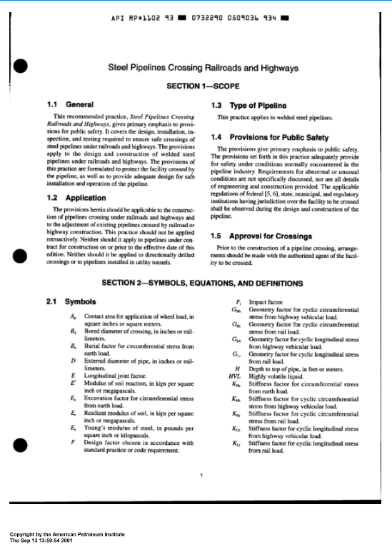
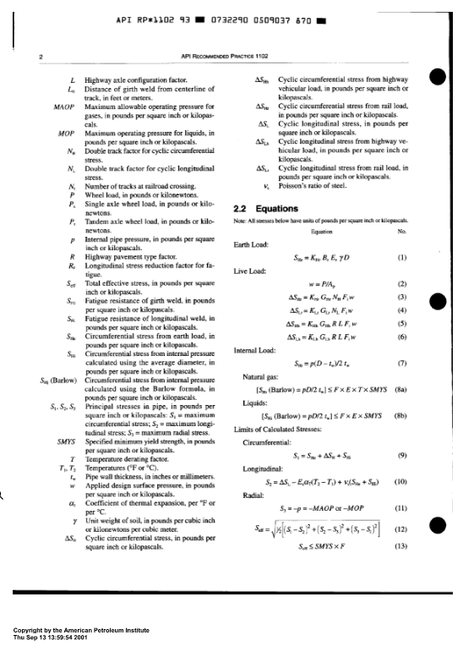
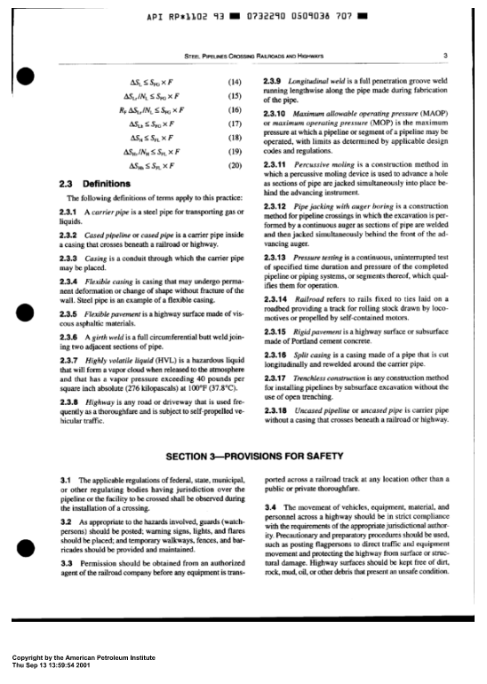
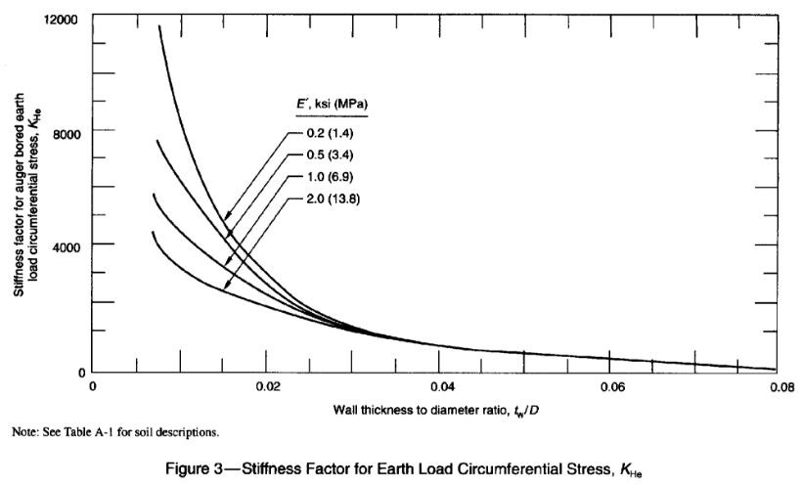
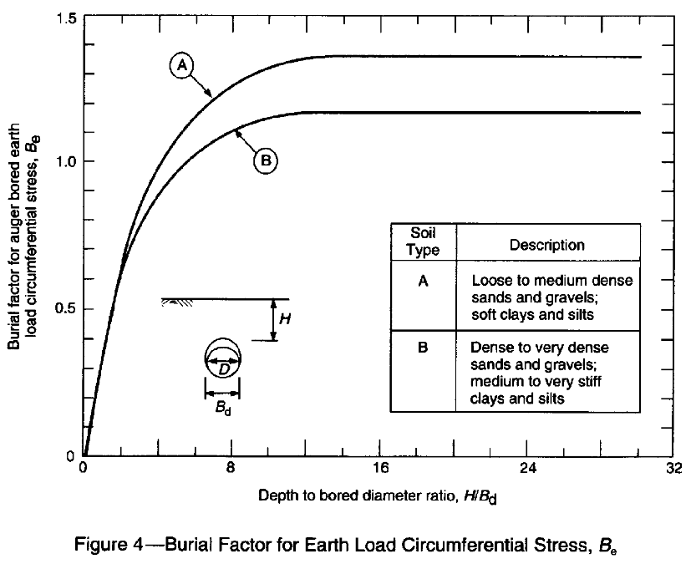
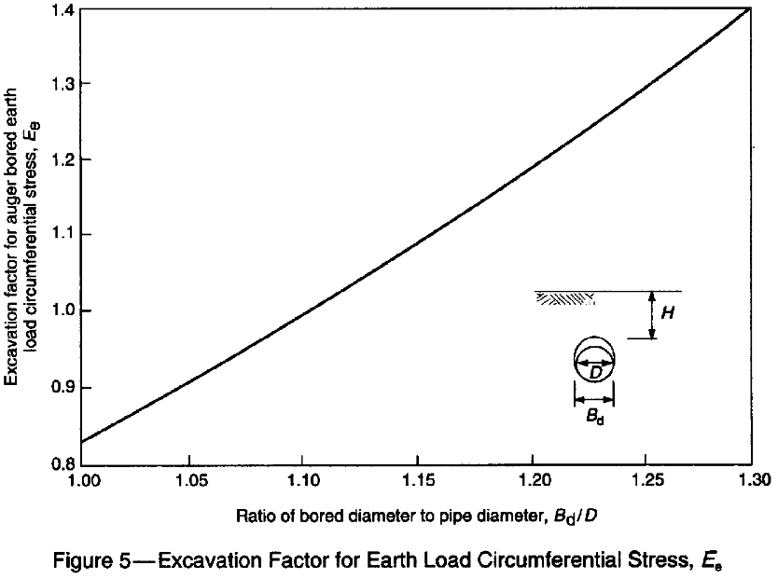
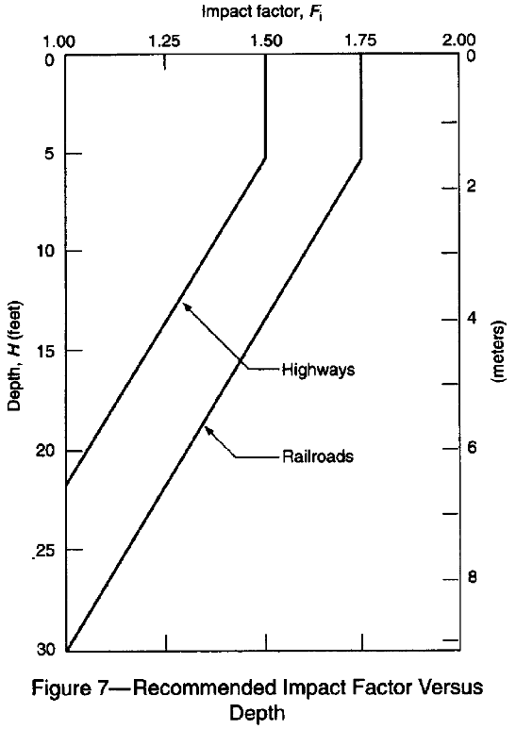
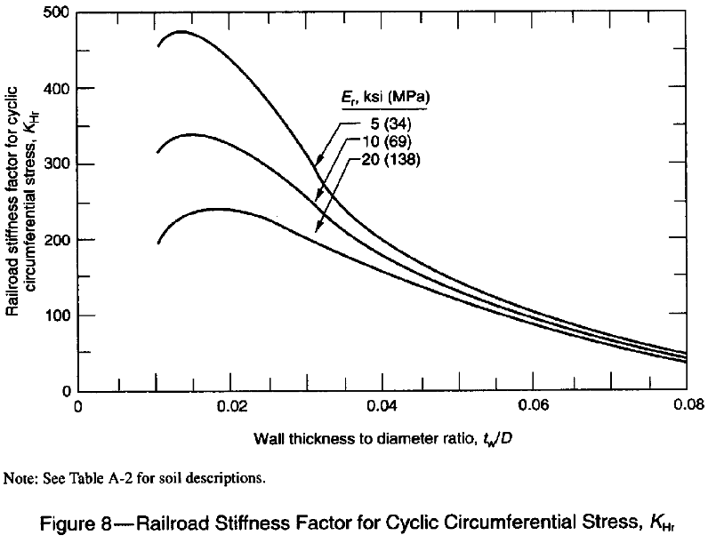
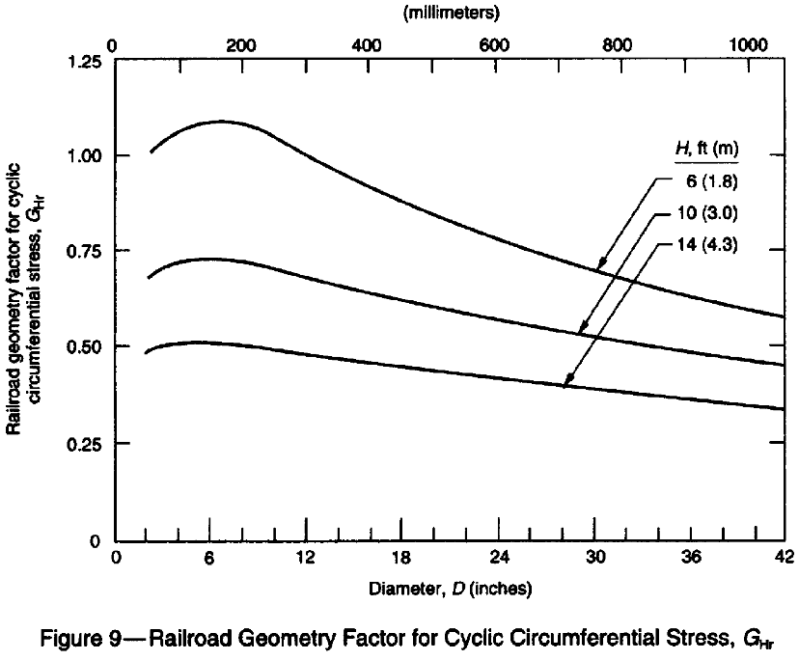
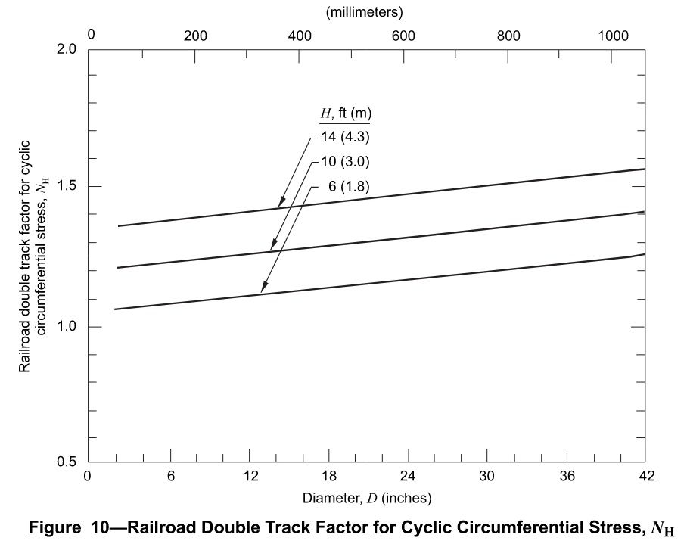
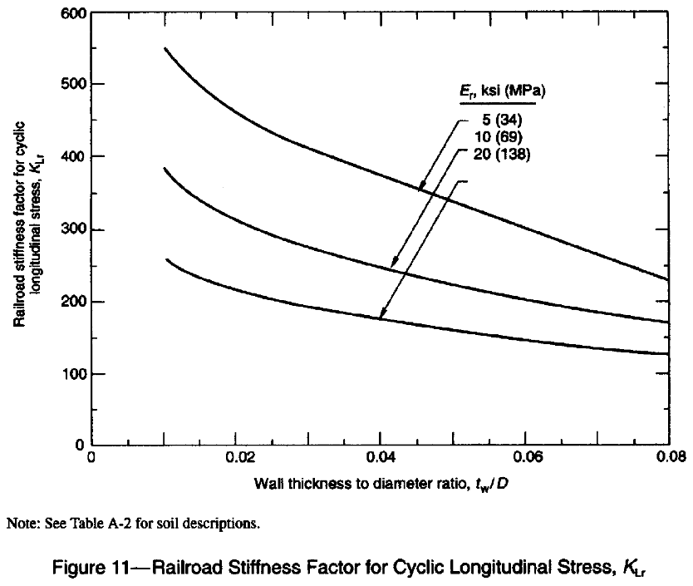
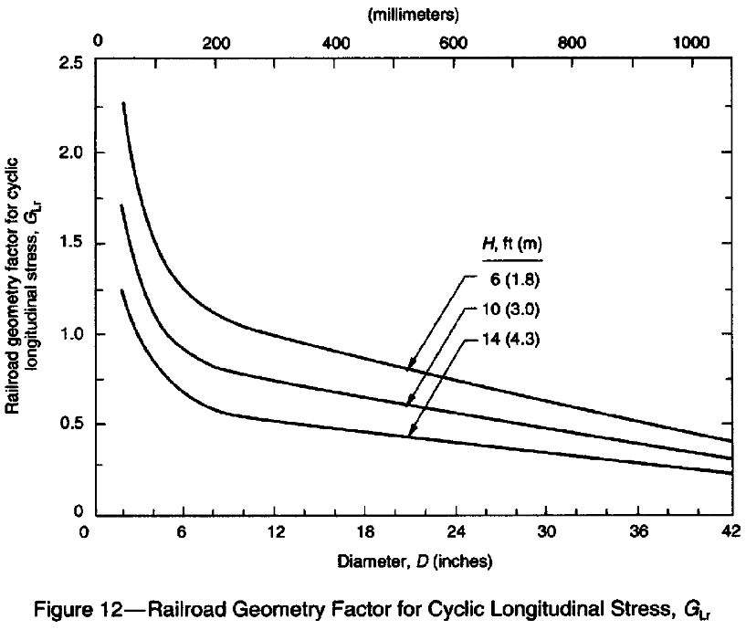
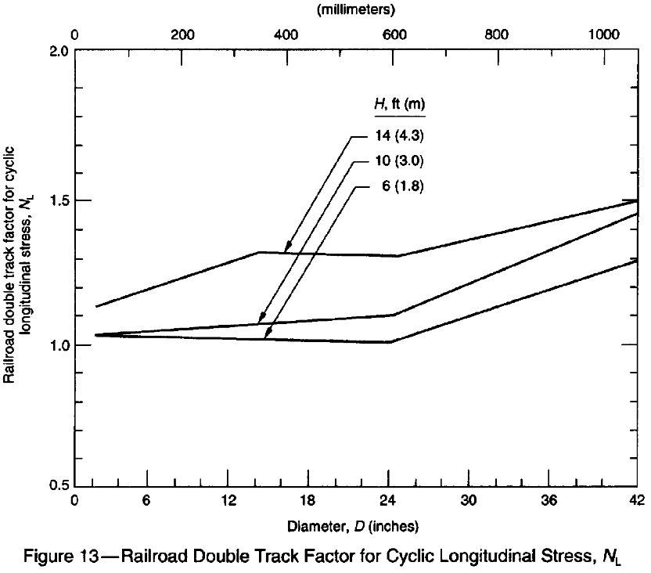
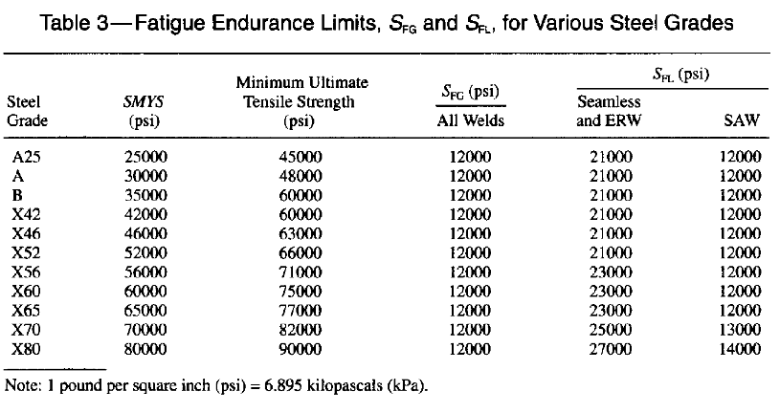
eCFR :: 49 CFR Part 192 Subpart C -- Pipe Design

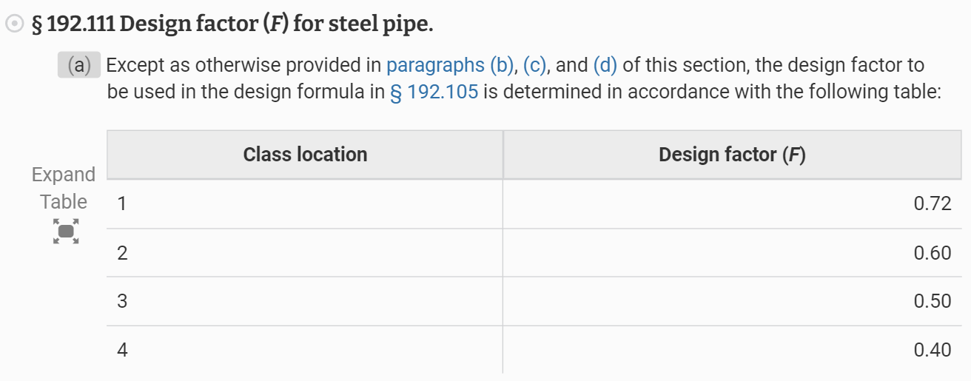

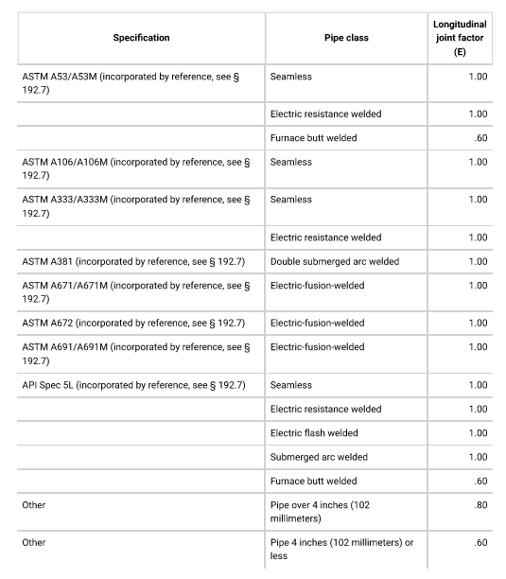

PE Mechanical Reference Handbook
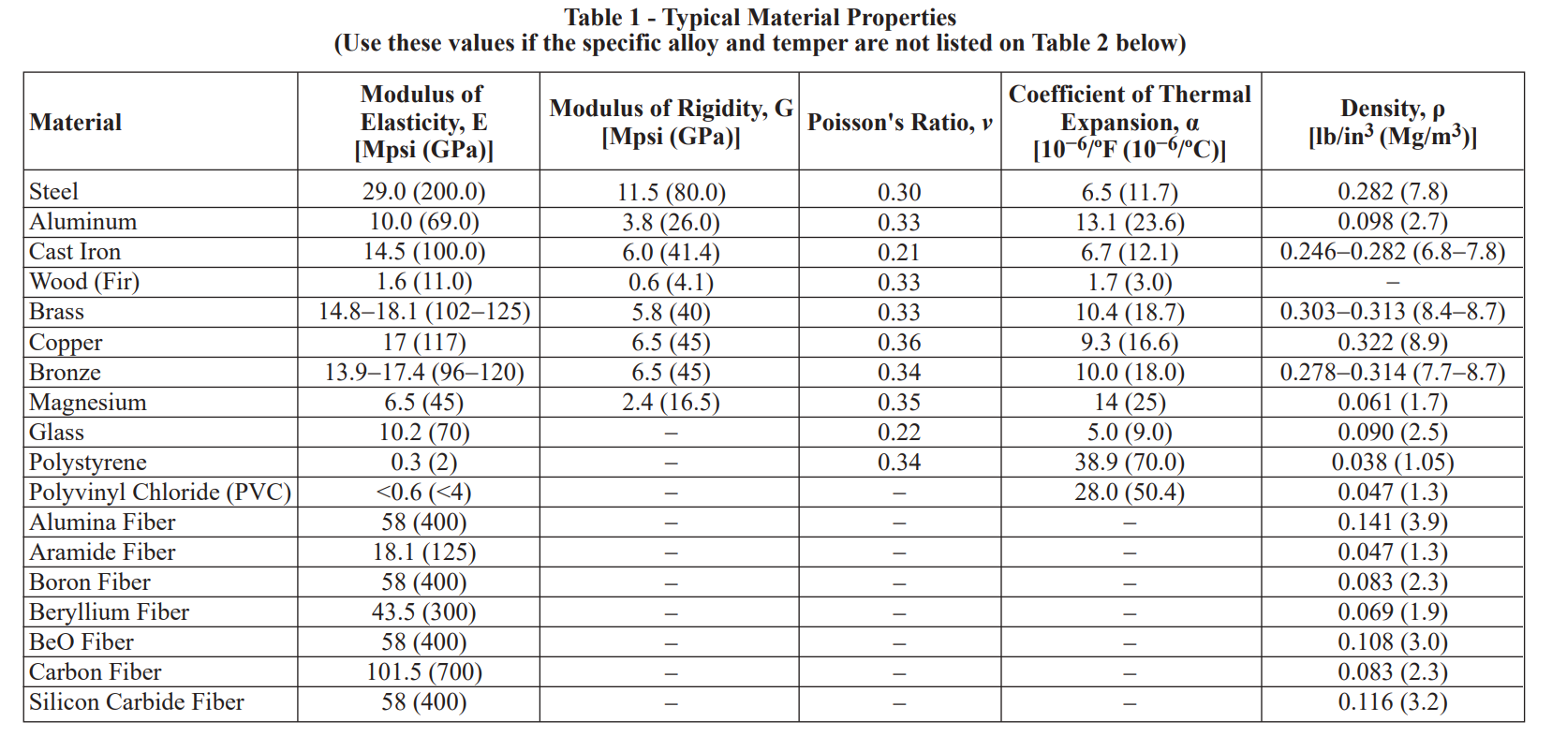

API Recommended Practice 1102, Seventh Edition, December 2007, Reaffirmed June 2024

